Total annual cost per persn yoy
APAC insulin data 2021-2022 by total annual cost per person |  | Top 10 insulin drugs with the highest total annual cost per person by drug |  |  |  |  |  | Top 10 insulin drugs with the highest total annual cost per person by proprietary name level |  |  |  |  |  | Top 10 insulin drugs with the highest total annual cost per person by NDC level

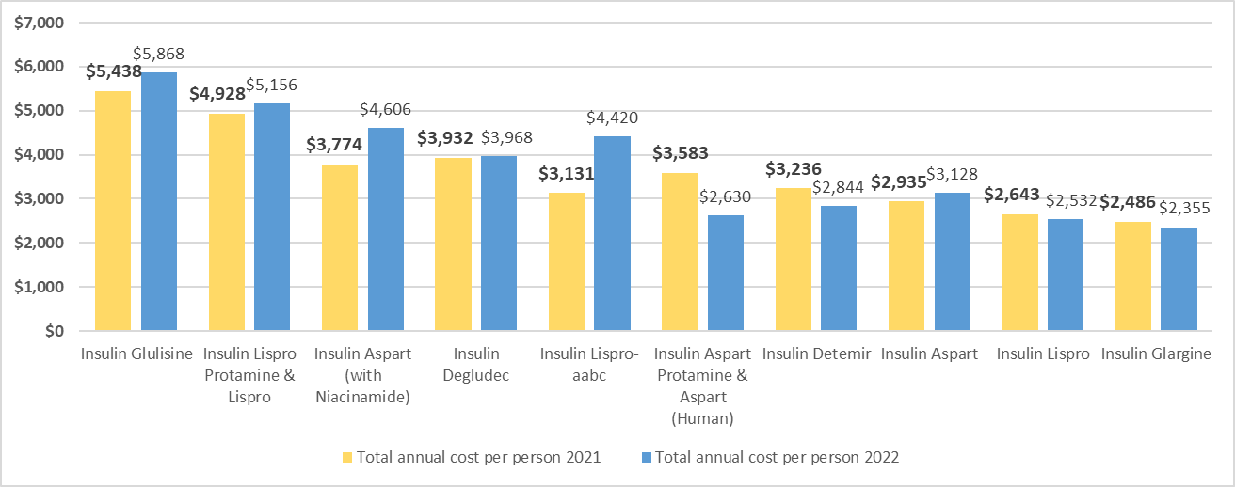
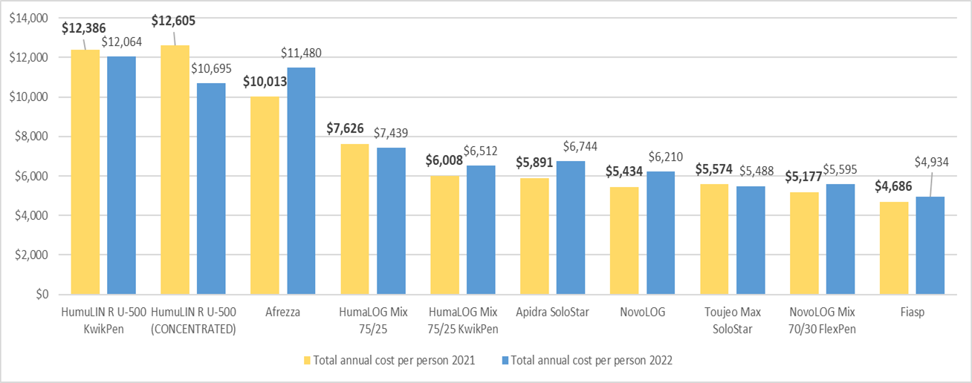

 |  | Year(s): 2021, 2022 |  |  |  |  |  | Year(s): 2021, 2022 |  |  |  |  |  | Year(s): 2021, 2022
Data source: | The Oregon All Payer All Claims (APAC) database* | Drug class: Insulin |  |  |  |  |  | Drug class: Insulin |  |  |  |  |  | Drug class: Insulin
Date range: | 2021-2022 claims data
Payer types: | Commercial insurance. Includes PEBB, OEBB, and self-insured
Demographic notes: | Data is Oregon specific and excludes out-of-state claims
Drug class: | Insulin

Additional data notes:
The total annual cost per person was calculated by dividing the total annual cost (payer paid and expected patient paid) by the number of claimants.

The "expected patient paid" is the sum of the copay, co-insurance, and other patients cost.
Patient cost data was summed together in the APAC data provided by the Oregon Health Authority (OHA) but could be separated in future requests to see what percentage of individual cost types make up the total cost to the patient.

2021 numbers may be impacted by COVID. 2022 data is 99.9% final but not officially approved until year end.

*For additional information about Oregon APAC data, please visit the official website: |  |  |  | 2021 | 2021 | 2022 | 2022 |  |  | 2021 | 2021 | 2022 | 2022 |  |  |  | 2021 | 2021 | 2022 | 2022
https://www.oregon.gov/oha/HPA/ANALYTICS/Pages/All-Payer-All-Claims.aspx |  |  | Non-proprietary name / drug | Total claimants | Total cost per person | Total claimants | Total cost per person |  | Proprietary name | Total claimants | Total cost per person | Total claimants | Total cost per person | 11-Digit NDC | Proprietary name | Non-proprietary name / drug | Total claimants | Total cost per person | Total claimants | Total cost per person
 |  |  | Insulin Glulisine | 32 | $5,438 | 23 | $5,868 |  | HumuLIN R U-500 KwikPen | 152 | $12,386 | 157 | $12,064 | 47918090218 | Afrezza | Insulin Regular (Human) | 3 | $25,810 | 2 | $25,865
 |  |  | Insulin Lispro Protamine & Lispro | 105 | $4,928 | 83 | $5,156 |  | HumuLIN R U-500 (CONCENTRATED) | 116 | $12,605 | 115 | $10,695 | 47918087890 | Afrezza | Insulin Regular (Human) | 1 | $24,157 | 1 | $21,307
 |  |  | Insulin Aspart (with Niacinamide) | 258 | $3,774 | 287 | $4,606 |  | Afrezza | 15 | $10,013 | 9 | $11,480 | 00002882427 | HumuLIN R U-500 KwikPen | Insulin Regular (Human) | 152 | $12,386 | 157 | $12,064
 |  |  | Insulin Degludec | 2,287 | $3,932 | 2,355 | $3,968 |  | HumaLOG Mix 75/25 | 11 | $7,626 | 9 | $7,439 | 00002850101 | HumuLIN R U-500 (CONCENTRATED) | Insulin Regular (Human) | 116 | $12,605 | 115 | $10,695
 |  |  | Insulin Lispro-aabc | 131 | $3,131 | 165 | $4,420 |  | HumaLOG Mix 75/25 KwikPen | 59 | $6,008 | 49 | $6,512 | 00002771227 | HumaLOG KwikPen | Insulin Lispro | 197 | $7,215 | 173 | $7,931
 |  |  | Insulin Aspart Protamine & Aspart (Human) | 268 | $3,583 | 197 | $2,630 |  | Apidra SoloStar | 22 | $5,891 | 14 | $6,744 | 00002751101 | HumaLOG Mix 75/25 | Insulin Lispro Protamine & Lispro | 11 | $7,626 | 9 | $7,439
 |  |  | Insulin Detemir | 852 | $3,236 | 808 | $2,844 |  | NovoLOG | 856 | $5,434 | 863 | $6,210 | 47918088018 | Afrezza | Insulin Regular (Human) | 4 | $6,724 | 2 | $7,980
 |  |  | Insulin Aspart | 4,817 | $2,935 | 4,545 | $3,128 |  | Toujeo Max SoloStar | 408 | $5,574 | 483 | $5,488 | 00002879759 | HumaLOG Mix 75/25 KwikPen | Insulin Lispro Protamine & Lispro | 59 | $6,008 | 49 | $6,512
 |  |  | Insulin Lispro | 9,563 | $2,643 | 9,423 | $2,532 |  | NovoLOG Mix 70/30 FlexPen | 124 | $5,177 | 44 | $5,595 | 00088250205 | Apidra SoloStar | Insulin Glulisine | 22 | $5,891 | 14 | $6,744
 |  |  | Insulin Glargine | 14,437 | $2,486 | 11,905 | $2,355 |  | Fiasp | 101 | $4,686 | 108 | $4,934 | 00002822827 | Lyumjev KwikPen | Insulin Lispro-aabc | 6 | $3,703 | 10 | $7,643

Annual Patient Cost YoY
APAC insulin data 2021-2022 by annual patient cost |  | Top 10 insulin drugs with the highest annual patient cost by drug |  |  |  |  |  | Top 10 insulin drugs with the highest annual patient cost by proprietary name level |  |  |  |  |  | Top 10 insulin drugs with the highest annual cost per person by NDC level

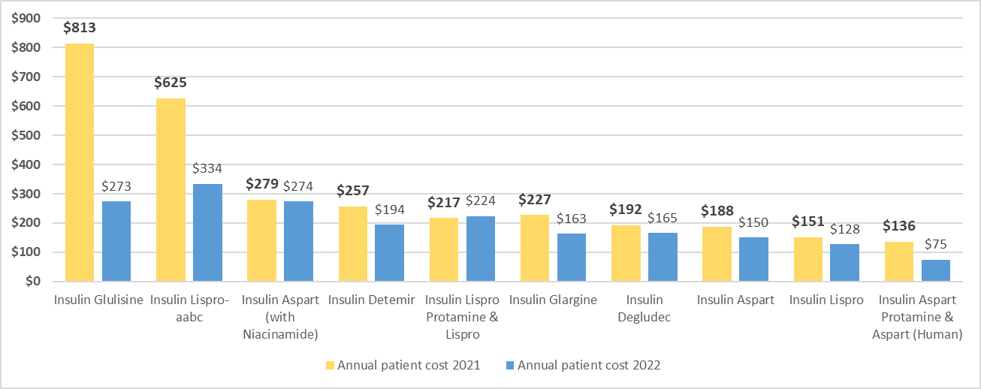
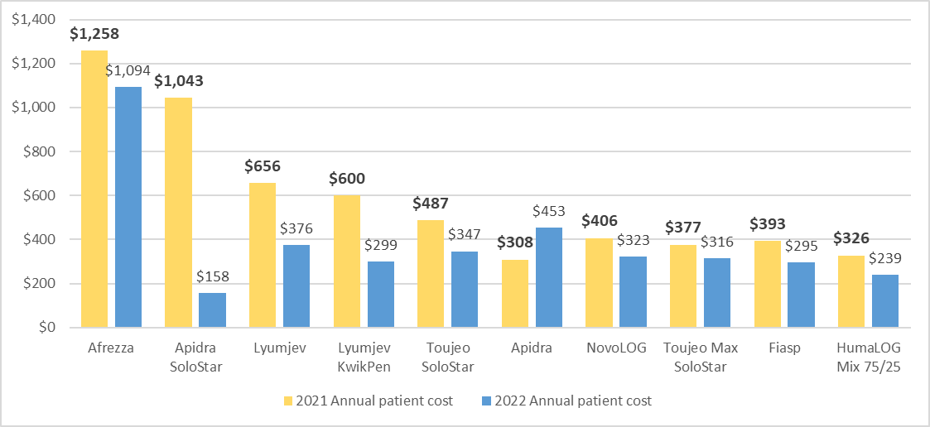
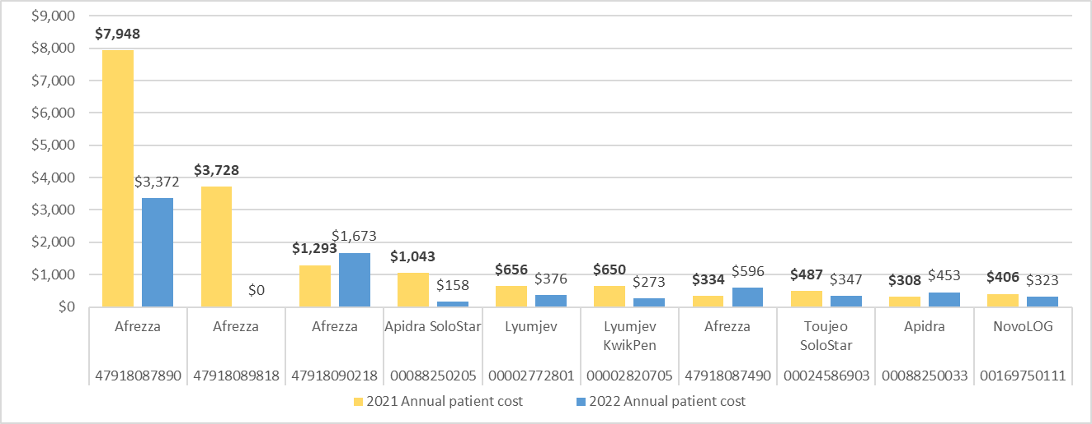
 |  | Year(s): 2021, 2022 |  |  |  |  |  | Year(s): 2021, 2022 |  |  |  |  |  | Year(s): 2021, 2022
Data source: | The Oregon All Payer All Claims (APAC) database* | Drug class: Insulin |  |  |  |  |  | Drug class: Insulin |  |  |  |  |  | Drug class: Insulin
Date range: | 2021-2022 claims data
Payer types: | Commercial insurance. Includes PEBB, OEBB, and self-insured
Demographic notes: | Data is Oregon specific and excludes out-of-state claims
Drug class: | Insulin

Additional data notes:
The annual patient cost was calculated by dividing the annual "Expected patient paid" by the number of claimants.

The "Expected patient paid" is the sum of the copay, co-insurance, and other patients cost.
Patient cost data was summed together in the APAC data provided by the Oregon Health Authority (OHA) but could be separated in future requests to see what percentage of individual cost types make up the total cost to the patient.

2021 numbers may be impacted by COVID. 2022 data is 99.9% final but not officially approved until year end.

*For additional information about Oregon APAC data, please visit the official website:
https://www.oregon.gov/oha/HPA/ANALYTICS/Pages/All-Payer-All-Claims.aspx |  |  |  | 2021 | 2021 | 2022 | 2022 |  |  | 2021 | 2021 | 2022 | 2022 |  |  |  | 2021 | 2021 | 2022 | 2022
 |  |  | Non-proprietary name / drug | Total claimants | Annual patient cost | Total claimants | Annual patient cost |  | Proprietary name | Total claimants | Annual patient cost | Total claimants | Annual patient cost | 11-Digit NDC | Proprietary name | Non-proprietary name / drug | Total claimants | Annual patient cost | Total claimants | Annual patient cost
 |  |  | Insulin Glulisine | 32 | $813 | 23 | $273 |  | Afrezza | 15 | $1,258 | 9 | $1,094 | 47918087890 | Afrezza | Insulin Regular (Human) | 1 | $7,948 | 1 | $3,372
 |  |  | Insulin Lispro-aabc | 131 | $625 | 165 | $334 |  | Apidra SoloStar | 22 | $1,043 | 14 | $158 | 47918089818 | Afrezza | Insulin Regular (Human) | 1 | $3,728 | 0 | N/A
 |  |  | Insulin Aspart (with Niacinamide) | 258 | $279 | 287 | $274 |  | Lyumjev | 60 | $656 | 76 | $376 | 47918090218 | Afrezza | Insulin Regular (Human) | 3 | $1,293 | 2 | $1,673
 |  |  | Insulin Detemir | 852 | $257 | 808 | $194 |  | Lyumjev KwikPen | 71 | $600 | 89 | $299 | 00088250205 | Apidra SoloStar | Insulin Glulisine | 22 | $1,043 | 14 | $158
 |  |  | Insulin Lispro Protamine & Lispro | 105 | $217 | 83 | $224 |  | Toujeo SoloStar | 784 | $487 | 776 | $347 | 00002772801 | Lyumjev | Insulin Lispro-aabc | 60 | $656 | 76 | $376
 |  |  | Insulin Glargine | 14,437 | $227 | 11,905 | $163 |  | Apidra | 10 | $308 | 9 | $453 | 00002820705 | Lyumjev KwikPen | Insulin Lispro-aabc | 65 | $650 | 79 | $273
 |  |  | Insulin Degludec | 2,287 | $192 | 2,355 | $165 |  | NovoLOG | 856 | $406 | 863 | $323 | 47918087490 | Afrezza | Insulin Regular (Human) | 6 | $334 | 4 | $596
 |  |  | Insulin Aspart | 4,817 | $188 | 4,545 | $150 |  | Toujeo Max SoloStar | 408 | $377 | 483 | $316 | 00024586903 | Toujeo SoloStar | Insulin Glargine | 784 | $487 | 776 | $347
 |  |  | Insulin Lispro | 9,563 | $151 | 9,423 | $128 |  | Fiasp | 101 | $393 | 108 | $295 | 00088250033 | Apidra | Insulin Glulisine | 10 | $308 | 9 | $453
 |  |  | Insulin Aspart Protamine & Aspart (Human) | 268 | $136 | 197 | $75 |  | HumaLOG Mix 75/25 | 11 | $326 | 9 | $239 | 00169750111 | NovoLOG | Insulin Aspart | 856 | $406 | 863 | $323

